Indices

 | Iraq Stock Exchange
 | Bulletin No (232)

 | ISX Trading Indices of Sunday 28/12/2025

 | Traded Volume and OTC |  | 3,100,406,350 |  | Traded Value and OTC |  | 2,247,061,995 |  | Traders | 1047

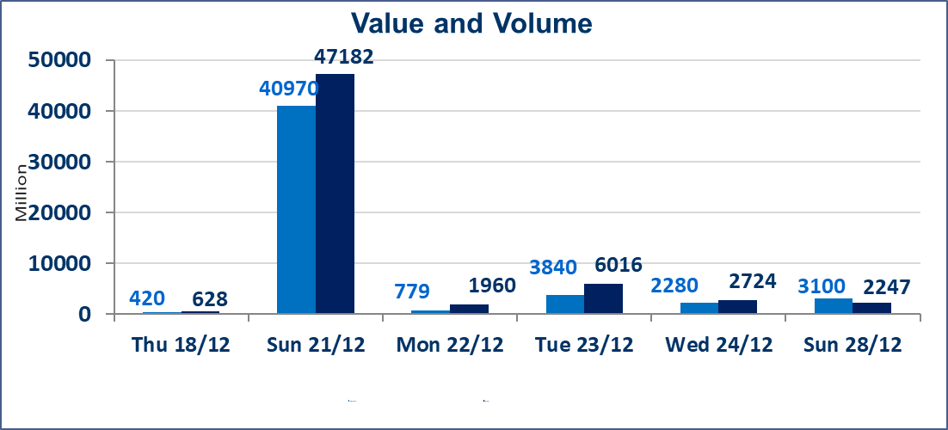
 | ISX Index 60 |  |  | 984.01 | ISX Index 15 |  |  | 1204.74
 | Previous ISX Index60 |  |  | 988.42 | Previous ISX Index15 |  |  | 1205.37
 | Change % |  |  | -0.45 | Change % |  |  | -0.05
 | Change |  |  | -4.41 | Change |  |  | -0.63

 | Listed Companies | 104 | OTC | 14 | Non Traded listed | 40 | OTC | 12
 | Traded Listed Companies | 47 | OTC | 2 | Higher Companies |  |  | 10
 | GAM Companies |  |  | 7 | Lower Companies |  |  | 17
 | Suspended Companies |  |  | 10
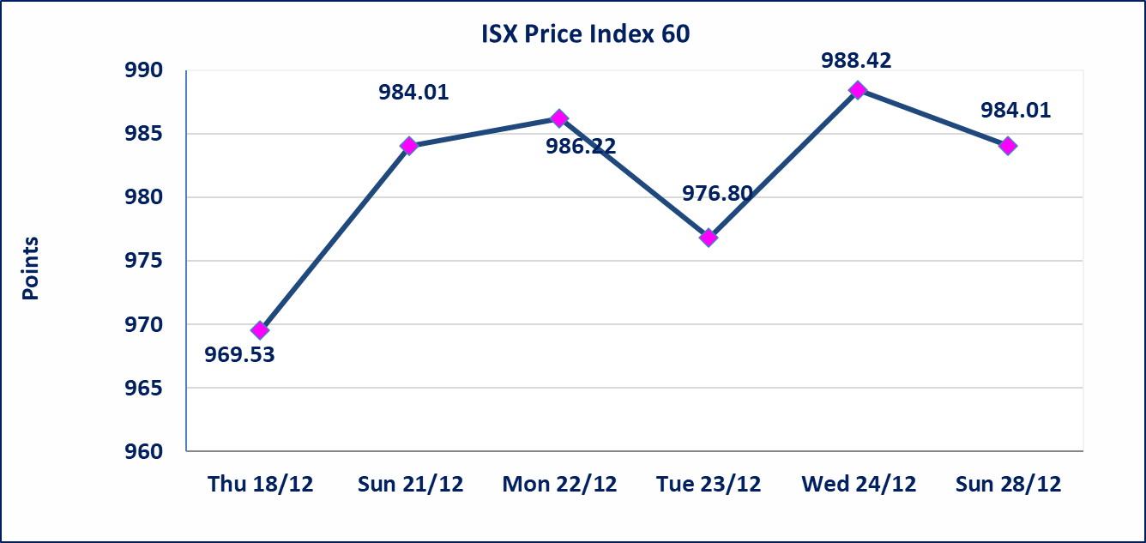
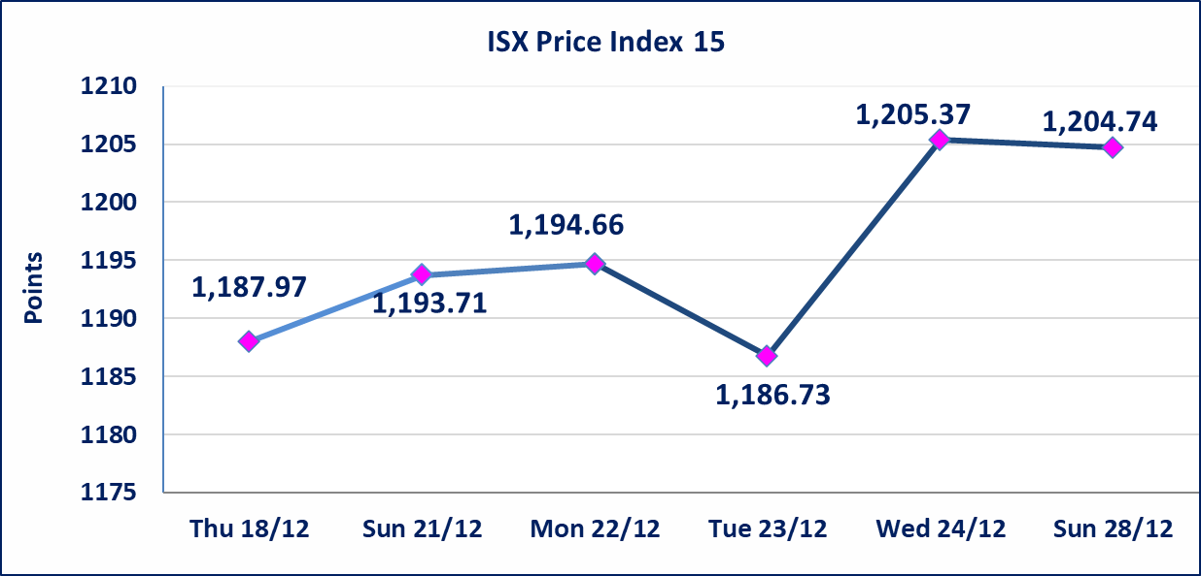

 | special orders | Al-Kasab Brokerage Company executed a deliberate cross order on the shares of Asia Bank Iraq Company with a number of shares (1,460,250,000) shares with a value of (1,138,995,000) dinars, during the additional session time (after 1 pm) in accordance with the procedures for executing large transactions.
Al-Alwiya P.O . 3607 Mobile: 07711211522 - 07270094594 - 07834000034 E-mail: info-isx@isx-iq.net Web site:www.isx-iq.net

Top 5
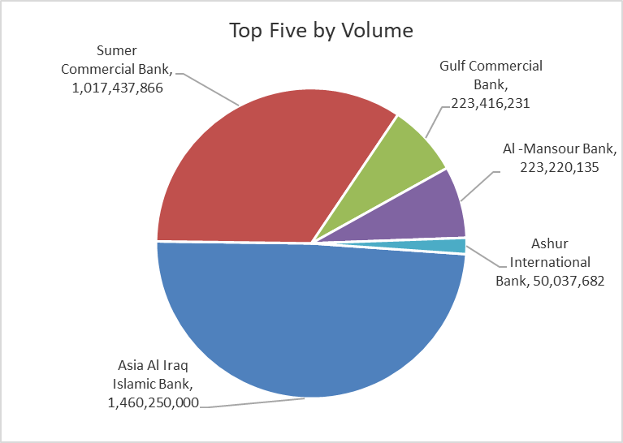
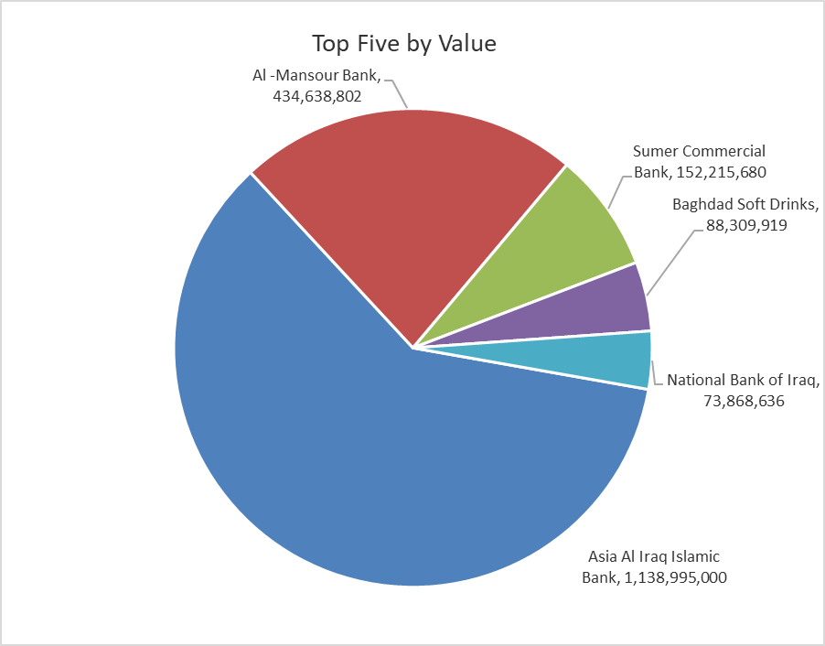
ISX top ganing and losing companies
Sunday 28/12/2025
 | Gainers |  |  |  | Losers
 | Company Name | Closing Price | Change (%) | Traded Volume | Company Name | Closing Price | Change (%) | Traded Volume
 | Sumer Commercial Bank | 0.150 | 7.14 | 1,017,437,866 | AL-Anssari Islamic Bank | 0.100 | -16.67 | 2,000,000
 | Agricultural Products Meat | 5.000 | 6.38 | 771,329 | Iraqi Carton Manufactories | 2.700 | -9.70 | 140,387
 | Gulf Commercial Bank | 0.300 | 3.45 | 223,416,231 | Kharkh Tour Amuzement City | 4.200 | -8.70 | 100,000
 | Al -Khazer Construction Materials | 1.300 | 2.36 | 110,000 | Ashur International Bank | 0.300 | -6.25 | 50,037,682
 | Iraqi for Seed Production | 5.070 | 1.40 | 1,259,384 | Palestine Hotel | 24.000 | -4.95 | 534,407
 | The most active companies in term of traded volume and value

 | Traded Volume |  |  |  | Traded Value
 | Company Name | Closing Price | Change (%) | Traded Volume | Company Name | Closing Price | Change (%) | Traded Value
 | Asia Al Iraq Islamic Bank | 0.780 | 0.00 | 1,460,250,000 | Asia Al Iraq Islamic Bank | 0.780 | 0.00 | 1,138,995,000
 | Sumer Commercial Bank | 0.150 | 7.14 | 1,017,437,866 | Al -Mansour Bank | 1.960 | 0.51 | 434,638,802
 | Gulf Commercial Bank | 0.300 | 3.45 | 223,416,231 | Sumer Commercial Bank | 0.150 | 7.14 | 152,215,680
 | Al -Mansour Bank | 1.960 | 0.51 | 223,220,135 | Baghdad Soft Drinks | 5.760 | -0.86 | 88,309,919
 | Ashur International Bank | 0.300 | -6.25 | 50,037,682 | National Bank of Iraq | 4.880 | -0.41 | 73,868,636

OTC

Iraq Stock Exchange

Sunday 28/12/2025
OTC Platform Trading Bulletin No (232)
Company Name | Code | highest price | lowest price | Average price | No.of Trades | Traded Volume | Traded Value
Banks Sector
Al-Warka Bank | BWAI | 0.080 | 0.080 | 0.080 | 3 | 10,004,287 | 800,343
Total Of Banks Sector |  |  |  |  | 3 | 10,004,287 | 800,343
Industrial Sector
Kirkuk producing constructional materials | IKFP | 3.350 | 3.350 | 3.350 | 2 | 15,065,000 | 50,467,750
Total Of Industrial Sector |  |  |  |  | 2 | 15,065,000 | 50,467,750
Total |  |  |  |  | 5 | 25,069,287 | 51,268,093

Not Trading OTC Companies
Company Name |  |  | Code |  | Previous Average price
Banks Sector
Al-Sanam Islamic Bank |  |  | BSAN |  | 3.000
Hammurabi Commercial Bank |  |  | BHAM |  | ـــــــــــــــــــــــــــــــــــ
Money Service Sector
Rabee Securities |  |  | FRSE |  | 9.500
Karmal Brokerage |  |  | FKSX |  | 10.000
Ishtar Gate for e-Paymant |  |  | FISH |  | 1.000
Sama Baghdad Exchange |  |  | FSBE |  | ـــــــــــــــــــــــــــــــــــ
Iraqi Deposit Insurance Corporation |  |  | FIDI |  | ـــــــــــــــــــــــــــــــــــ
Insurance Sector
Elaf Insurance |  |  | NELF |  | ـــــــــــــــــــــــــــــــــــ
Kurdistan Insurance |  |  | NKUI |  | ـــــــــــــــــــــــــــــــــــ
Al Badia Insurance |  |  | NBAD |  | ـــــــــــــــــــــــــــــــــــ
Shatt Al Arab Insurance |  |  | NSHA |  | 1.000
Dilina Insurance Company |  |  | NDIL |  | ـــــــــــــــــــــــــــــــــــ

Non Iraqis

Iraq Stock Exchange
Non Iraqis' Bulletin Sunday Dec 28 2025
Regular Market

Non Iraqi Trading of Regular Market (Buy)
Company Names | Code | No.of trades | Traded Shares | Trading Volume
Banks Sector
Bank Of Baghdad | BBOB | 1 | 140,400 | 495,612
Asia Al Iraq Islamic Bank | BAIB | 2 | 1,460,250,000 | 1,138,995,000
National Bank Of Iraq | BNOI | 2 | 400,000 | 1,940,000
Gulf Commercial Bank | BGUC | 5 | 74,053,539 | 21,475,526
Al-Mansour Bank | BMNS | 1 | 254,880 | 497,016
Total Bank sector |  | 11 | 1,535,098,819 | 1,163,403,154
Grand Total |  | 11 | 1,535,098,819 | 1,163,403,154

